ReferenceLists
County | # of Persons Per Household (2014-2018 Average) | Surface Water Recharge Rate | High Recharge Rate | Medium Recharge Rate | Low Recharge Rate | Attenuation | Enhancement | Sewering | Springs BMAP(s) |  | Method | Load per person | Attenuation | Method Notes
Alachua | 2.54 | 1 | 0.9 | 0.5 | 0.1 | 0.5 | 0.65 | 0.95 | Silver/Santa Fe |  | Valiela et al. | 9.012 | 0.429 | Note: if you use 9.012 lbs/person/yr TN and then disregard the 40% loss from tank and field, the revised formula would be: N Load= 9.012 lbs/TN/p/yr * x * y * 0.429 N Load= 3.866 lbs/TN/p/yr * x * y
Baker | 2.92 | 1 | 0.9 | 0.5 | 0.1 | 0.5 | 0.65 | 0.95 | Santa Fe
Bay | 2.57 | 1 | 0.9 | 0.5 | 0.1 | 0.5 | 0.65 | 0.95
Bradford | 2.6 | 1 | 0.9 | 0.5 | 0.1 | 0.5 | 0.65 | 0.95
Brevard | 2.49 | 1 | 0.9 | 0.5 | 0.1 | 0.5 | 0.65 | 0.95
Broward | 2.77 | 1 | 0.9 | 0.5 | 0.1 | 0.5 | 0.65 | 0.95
Calhoun | 2.73 | 1 | 0.9 | 0.5 | 0.1 | 0.5 | 0.65 | 0.95
Charlotte | 2.28 | 1 | 0.9 | 0.5 | 0.1 | 0.5 | 0.65 | 0.95
Citrus | 2.24 | 1 | 0.9 | 0.5 | 0.1 | 0.5 | 0.65 | 0.95 | Kings Bay/Homosassa Chassahowitzka
Clay | 2.81 | 1 | 0.9 | 0.5 | 0.1 | 0.5 | 0.65 | 0.95 |  |  | Source Attenuation | Attentuation Factor
Collier | 2.55 | 1 | 0.9 | 0.5 | 0.1 | 0.5 | 0.65 | 0.95 |  |  | AWT | 0.049 |  | Assumption of same volume of wastewater pre and post hookup of tank, thus pre/post concentration ratio is equal to pre/post load ratio. For TN, ratio of AWT standard to mean STE is 3.0/61 = 0.049
Columbia | 2.57 | 1 | 0.9 | 0.5 | 0.1 | 0.5 | 0.65 | 0.95 | Santa Fe |  | Non-AWT | 0.164 |  | Assumption of same volume of wastewater pre and post hookup of tank, thus pre/post concentration ratio is equal to pre/post load ratio. For TN, ratio typical WWTF effluent to mean STE is 10/61 = 0.164
DeSoto | 2.74 | 1 | 0.9 | 0.5 | 0.1 | 0.5 | 0.65 | 0.95 |  |  | Wastewater Sprayfield | .4
Dixie | 2.28 | 1 | 0.9 | 0.5 | 0.1 | 0.5 | 0.65 | 0.95 |  |  | Wastewater Reuse | .25
Duval | 2.55 | 1 | 0.9 | 0.5 | 0.1 | 0.5 | 0.65 | 0.95 |  |  | Wastewater Rapid Infiltration Basin (RIB) | .75
Escambia | 2.47 | 1 | 0.9 | 0.5 | 0.1 | 0.5 | 0.65 | 0.95 |  |  | Conventional Septic System | .5
Flagler | 2.62 | 1 | 0.9 | 0.5 | 0.1 | 0.5 | 0.65 | 0.95 |  |  | Farm Fertilizer | .2
Franklin | 2.35 | 1 | 0.9 | 0.5 | 0.1 | 0.5 | 0.65 | 0.95 |  |  | Lawn Fertilizer | .2
Gadsden | 2.47 | 1 | 0.9 | 0.4 | 0.1 | 0.5 | 0.65 | 0.95 | Wakulla |  | Livestock on pasture | .1
Gilchrist | 2.5 | 1 | 0.9 | 0.5 | 0.1 | 0.5 | 0.65 | 0.95 | Santa Fe
Glades | 2.71 | 1 | 0.9 | 0.5 | 0.1 | 0.5 | 0.65 | 0.95
Gulf | 2.55 | 1 | 0.9 | 0.5 | 0.1 | 0.5 | 0.65 | 0.95
Hamilton | 2.44 | 1 | 0.9 | 0.5 | 0.1 | 0.5 | 0.65 | 0.95
Hardee | 3.22 | 1 | 0.9 | 0.5 | 0.1 | 0.5 | 0.65 | 0.95
Hendry | 3.17 | 1 | 0.9 | 0.5 | 0.1 | 0.5 | 0.65 | 0.95
Hernando | 2.46 | 1 | 0.9 | 0.5 | 0.1 | 0.5 | 0.65 | 0.95 | Homosassa Chassahowtizka/ Weeki Wachee |  | Multipliers based on table from springs guidance as of May 2021 | Multiplier
Highlands | 2.44 | 1 | 0.9 | 0.5 | 0.1 | 0.5 | 0.65 | 0.95 |  |  | Conventional | 0.7
Hillsborough | 2.63 | 1 | 0.9 | 0.5 | 0.1 | 0.5 | 0.65 | 0.95 |  |  | Aerobic Treatment | 0.49
Holmes | 2.51 | 1 | 0.9 | 0.5 | 0.1 | 0.5 | 0.65 | 0.95 |  |  | Performance based | 0.35
Indian River | 2.6 | 1 | 0.9 | 0.5 | 0.1 | 0.5 | 0.65 | 0.95 |  |  | Recirc Media | 0.35
Jackson | 2.4 | 1 | 0.9 | 0.5 | 0.1 | 0.5 | 0.65 | 0.95 | Jackson Blue |  | Lined Media | 0.35
Jefferson | 2.04 | 1 | 0.9 | 0.5 | 0.1 | 0.5 | 0.65 | 0.95 | Wacissa/Wakulla |  | Passive removal | 0.07
Lafayette | 3.43 | 1 | 0.9 | 0.5 | 0.1 | 0.5 | 0.65 | 0.95
Lake | 2.55 | 1 | 0.9 | 0.5 | 0.1 | 0.5 | 0.65 | 0.95 | Silver
Lee | 2.61 | 1 | 0.9 | 0.5 | 0.1 | 0.5 | 0.65 | 0.95
Leon | 2.43 | 1 | 0.9 | 0.4 | 0.1 | 0.5 | 0.65 | 0.95 | Wakulla
Levy | 2.41 | 1 | 0.9 | 0.5 | 0.1 | 0.5 | 0.65 | 0.95 | Rainbow/ Silver
Liberty | 2.9 | 1 | 0.9 | 0.5 | 0.1 | 0.5 | 0.65 | 0.95
Madison | 2.45 | 1 | 0.9 | 0.5 | 0.1 | 0.5 | 0.65 | 0.95 | Wacissa
Manatee | 2.57 | 1 | 0.9 | 0.5 | 0.1 | 0.5 | 0.65 | 0.95
Marion | 2.48 | 1 | 0.9 | 0.5 | 0.1 | 0.5 | 0.65 | 0.95 | Rainbow/ Silver
Martin | 2.41 | 1 | 0.9 | 0.5 | 0.1 | 0.5 | 0.65 | 0.95
Monroe | 2.39 | 1 | 0.9 | 0.5 | 0.1 | 0.5 | 0.65 | 0.95
Nassau | 2.55 | 1 | 0.9 | 0.5 | 0.1 | 0.5 | 0.65 | 0.95
Okaloosa | 2.52 | 1 | 0.9 | 0.5 | 0.1 | 0.5 | 0.65 | 0.95
Okeechobee | 2.73 | 1 | 0.9 | 0.5 | 0.1 | 0.5 | 0.65 | 0.95
Orange | 2.81 | 1 | 0.9 | 0.5 | 0.1 | 0.5 | 0.65 | 0.95 | Wekiva
Osceola | 3.4 | 1 | 0.9 | 0.5 | 0.1 | 0.5 | 0.65 | 0.95
Palm Beach | 2.6 | 1 | 0.9 | 0.5 | 0.1 | 0.5 | 0.65 | 0.95
Pasco | 2.52 | 1 | 0.9 | 0.5 | 0.1 | 0.5 | 0.65 | 0.95 | Weeki Wachee
Pinellas | 2.31 | 1 | 0.9 | 0.5 | 0.1 | 0.5 | 0.65 | 0.95
Polk | 2.84 | 1 | 0.9 | 0.5 | 0.1 | 0.5 | 0.65 | 0.95 |  |  |  |  |  | Add citation for where this ^ and other screen shots of data references came from (e.g. NSILT technical report 2018)
Putnam | 2.52 | 1 | 0.9 | 0.5 | 0.1 | 0.5 | 0.65 | 0.95 | Silver
Santa Rosa | 2.68 | 1 | 0.9 | 0.5 | 0.1 | 0.5 | 0.65 | 0.95
Sarasota | 2.25 | 1 | 0.9 | 0.5 | 0.1 | 0.5 | 0.65 | 0.95
Seminole | 2.7 | 1 | 0.9 | 0.5 | 0.1 | 0.5 | 0.65 | 0.95 | Wekiva
St. Johns | 2.7 | 1 | 0.9 | 0.5 | 0.1 | 0.5 | 0.65 | 0.95
St. Lucie | 2.68 | 1 | 0.9 | 0.5 | 0.1 | 0.5 | 0.65 | 0.95
Sumter | 2.04 | 1 | 0.9 | 0.5 | 0.1 | 0.5 | 0.65 | 0.95 | Silver
Suwannee | 2.81 | 1 | 0.9 | 0.5 | 0.1 | 0.5 | 0.65 | 0.95 | Santa Fe
Taylor | 2.47 | 1 | 0.9 | 0.5 | 0.1 | 0.5 | 0.65 | 0.95
Union | 2.5 | 1 | 0.9 | 0.5 | 0.1 | 0.5 | 0.65 | 0.95 | Santa Fe
Volusia | 2.43 | 1 | 0.9 | 0.5 | 0.1 | 0.5 | 0.65 | 0.95 | Gemini/ DeLeon
Wakulla | 2.56 | 1 | 0.9 | 0.4 | 0.1 | 0.5 | 0.65 | 0.95 | Wakulla
Walton | 2.42 | 1 | 0.9 | 0.5 | 0.1 | 0.5 | 0.65 | 0.95
Washington | 2.57 | 1 | 0.9 | 0.5 | 0.1 | 0.5 | 0.65 | 0.95

SPRINGS COMMERCIAL CALC REFERENCES

Number of Visitors Known Methodology
Table and attenuation % taken directly from research paper | Gurpal, T., et al. Onsite Sewage Treatment and Disposal Systems: Nitrogen, UF IAFS (2014).
 | Source of nitrogen |  |  | Contribution
 |  |  |  | Grams per person per day |  |  |  |  | Percent of total
 | Kitchen sink |  |  | 0.6 |  |  |  |  | 5
 | Toilet |  |  | 8.7 |  |  |  |  | 78
 | Baths, sinks, appliances |  |  | 1.9 |  |  |  |  | 17
 | Total |  |  | 11.2 |  |  |  |  | 100
*Select the grams per day values that apply. Note that not all values will apply for all commercial applications. Kitchen sink and toilet are the default. Camp grounds or other facilities may include baths, sinks, and appliances.
 |  |  |  |  |  |  | 10.6
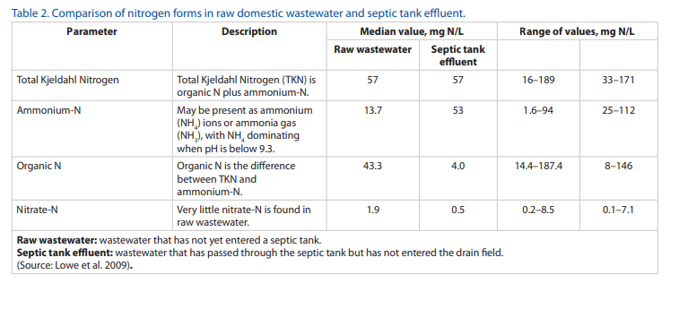
 |  |  |  |  |  |  |  |  |  | Office building
 |  |  |  |  |  |  |  |  |  | per 100 square feet of floor space, whichever is greater | 15
 |  |  |  |  |  |  |  |  |  | *This is a low estimate and may be higher if the space is a different type of commercial use such as a restaurant.

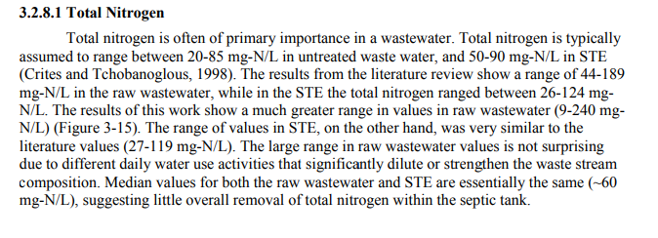

 |  |  |  |  |  |  |  |  |  | Lowe et al. 2009

